Data
Quantum Analogs Raw Data

 | 3.2.1
 |  | Resonant Frequency [Hz] | Vin = 5.0 V |  |  |  |  |  |  |  |  |  |  |  | maybe this is L=0 |  | New
 |  | 458 pm 1 | Alpha [Deg] | Alpha Error [Deg] | Alpha [Rad] | Alpha Error [Rad] | Theta [Rad] | Theta Error [Rad] | Amplitude [milli Volts] | Amplitude Actual [Volts] | Error [mV] | Error [Volts] |  |  | maybe this is L=0 |  | Attenuation = 0 | 458
Amplitude vs. θ for 458 Hz Resonance
 |  | Attenuation = 0 | 180 | 1 | 3.1415 | 0.017452777778 | 3.1415271376 | 0.000 | 103.7 | 0.1037 | 2.5 | 0.0025 | 3.1415271376 | 0.1037 |  |  |  | Alpha [Deg] | Alpha Error [Deg] | Alpha [Rad] | Alpha Error [Rad] | Cos Theta [Rad] | Theta Error [Rad] | Amplitude [milli Volts] | Amplitude Actual [Volts] | Error [mV] | Error [Volts] | plotX | plotY | Column1 | Column2 | Column3 | Column4 | Column5 | Column6 | Column7 | Column8
 |  |  | 170 | 1 | 2.9669722222 | 0.017452777778 | 3.0181959056 | -0.002 | 102.6 | 0.1026 | 2.5 | 0.0025 | 3.0181959056 | 0.1026 |  |  |  | 0 | 0.1 | 0 | 0.0017452777778 | 0 | 1.5229968742E-06 | 91.2 | 0.0912 | 1 | 0.001 | 0 | 0.0912 | m | Hemisphere | 3mm [Deg] | Error[Deg] | 6mm [Deg] | Error [Deg] | 9mm [Deg] | Error [Deg]
 |  |  | 160 | 1 | 2.7924444444 | 0.017452777778 | 2.8953379479 | -0.004 | 97.8 | 0.0978 | 2.5 | 0.0025 | 2.8953379479 | 0.0978 |  |  |  | 10 | 0.1 | 0.17452777778 | 0.0017452777778 | 0.0075956765802 | 1.4779384282E-05 | 91.8 | 0.0918 | 1 | 0.001 | 0.0075956765802 | 0.0918 | 0 | Lower | 87.28 | 5 | 95.91 | 2 | 178.6 | 1
 |  |  | 150 | 1 | 2.6179166667 | 0.017452777778 | 2.7734389287 | -0.006 | 93.3 | 0.0933 | 2 | 0.002 | 2.7734389287 | 0.0933 |  |  |  | 20 | 0.1 | 0.34905555556 | 0.0017452777778 | 0.03015192911 | 5.4137796426E-05 | 93.9 | 0.0939 | 1 | 0.001 | 0.03015192911 | 0.0939 | 0 | Upper | -92.17 | 2 | -86.49 | 1 | -8.032 | 1
 |  |  | 140 | 1 | 2.4433888889 | 0.017452777778 | 2.6530101015 | -0.008 | 89.5 | 0.0895 | 2 | 0.002 | 2.6530101015 | 0.0895 |  |  |  | 30 | 0.1 | 0.52358333333 | 0.0017452777778 | 0.066983437593 | 0.00011833682592 | 94.3 | 0.0943 | 1 | 0.001 | 0.066983437593 | 0.0943 | 1 | Lower | -83.29 | 2 | -65.32 | 1 | 9.685 | 1
 |  |  | 130 | 1 | 2.2688611111 | 0.017452777778 | 2.5346018478 | -0.010 | 84.8 | 0.0848 | 2 | 0.002 | 2.5346018478 | 0.0848 |  |  |  | 40 | 0.1 | 0.69811111111 | 0.0017452777778 | 0.11697116112 | 0.00020519444067 | 94.8 | 0.0948 | 1 | 0.001 | 0.11697116112 | 0.0948 | 1 | Upper | -52.08 | 2 | -63.81 | 1 | 14.81 | 1
 |  |  | 120 | 1 | 2.0943333333 | 0.017452777778 | 2.4188179686 | -0.011 | 79.8 | 0.0798 | 2 | 0.002 | 2.4188179686 | 0.0798 |  |  |  | 50 | 0.1 | 0.87263888889 | 0.0017452777778 | 0.17859633738 | 0.000311544442 | 94.6 | 0.0946 | 1 | 0.001 | 0.17859633738 | 0.0946
 |  |  | 110 | 1 | 1.9198055556 | 0.017452777778 | 2.3063306913 | -0.013 | 73.3 | 0.0733 | 1 | 0.001 | 2.3063306913 | 0.0733 |  |  |  | 60 | 0.1 | 1.0471666667 | 0.0017452777778 | 0.24998662673 | 0.00043324145413 | 97.6 | 0.0976 | 1 | 0.001 | 0.24998662673 | 0.0976
 |  |  | 100 | 1 | 1.7452777778 | 0.017452777778 | 2.1978960039 | -0.014 | 70.6 | 0.0706 | 1 | 0.001 | 2.1978960039 | 0.0706 |  |  |  | 70 | 0.1 | 1.2216944444 | 0.0017452777778 | 0.32897299897 | 0.00056529014966 | 98.6 | 0.0986 | 1 | 0.001 | 0.32897299897 | 0.0986
 |  |  | 90 | 1 | 1.57075 | 0.017452777778 | 2.0943683558 | -0.015 | 69.7 | 0.0697 | 1 | 0.001 | 2.0943683558 | 0.0697 |  |  |  | 80 | 0.1 | 1.3962222222 | 0.0017452777778 | 0.41315563436 | 0.00070212602857 | 98.9 | 0.0989 | 2 | 0.002 | 0.41315563436 | 0.0989
 |  |  | 80 | 1 | 1.3962222222 | 0.017452777778 | 1.9967128915 | -0.016 | 68.4 | 0.0684 | 1 | 0.001 | 1.9967128915 | 0.0684 |  |  |  | 90 | 0.1 | 1.57075 | 0.0017452777778 | 0.4999768366 | 0.0008380314084 | 99.7 | 0.0997 | 2 | 0.002 | 0.4999768366 | 0.0997
 |  |  | 70 | 1 | 1.2216944444 | 0.017452777778 | 1.9060121617 | -0.016 | 67.2 | 0.0672 | 1 | 0.001 | 1.9060121617 | 0.0672 |  |  |  | 100 | 0.1 | 1.7452777778 | 0.0017452777778 | 0.58679874261 | 0.00096762476286 | 103.2 | 0.1032 | 2 | 0.002 | 0.58679874261 | 0.1032
 |  |  | 60 | 1 | 1.0471666667 | 0.017452777778 | 1.8234627701 | -0.017 | 67.2 | 0.0672 | 1 | 0.001 | 1.8234627701 | 0.0672 |  |  |  | 110 | 0.1 | 1.9198055556 | 0.0017452777778 | 0.67098346792 | 0.0010863301664 | 104.1 | 0.1041 | 2 | 0.002 | 0.67098346792 | 0.1041
 |  |  | 50 | 1 | 0.87263888889 | 0.017452777778 | 1.7503559939 | -0.017 | 66.9 | 0.0669 | 1 | 0.001 | 1.7503559939 | 0.0669 |  |  |  | 120 | 0.1 | 2.0943333333 | 0.0017452777778 | 0.74997325274 | 0.0011907286074 | 107.7 | 0.1077 | 2 | 0.002 | 0.74997325274 | 0.1077
 |  |  | 40 | 1 | 0.69811111111 | 0.017452777778 | 1.6880358819 | -0.017 | 66.5 | 0.0665 | 1 | 0.001 | 1.6880358819 | 0.0665 |  |  |  | 130 | 0.1 | 2.2688611111 | 0.0017452777778 | 0.82136817362 | 0.0012787172589 | 111.2 | 0.1112 | 2 | 0.002 | 0.82136817362 | 0.1112
 |  |  | 30 | 1 | 0.52358333333 | 0.017452777778 | 1.6378299558 | -0.017 | 66.2 | 0.0662 | 1 | 0.001 | 1.6378299558 | 0.0662 |  |  |  | 140 | 0.1 | 2.4433888889 | 0.0017452777778 | 0.88299905967 | 0.0013494485248 | 114.3 | 0.1143 | 2.5 | 0.0025 | 0.88299905967 | 0.1143
 |  |  | 20 | 1 | 0.34905555556 | 0.017452777778 | 1.6009528265 | -0.017 | 66.2 | 0.0662 | 1 | 0.001 | 1.6009528265 | 0.0662 |  |  |  | 150 | 0.1 | 2.6179166667 | 0.0017452777778 | 0.93299339777 | 0.0014030725956 | 117.6 | 0.1176 | 2.5 | 0.0025 | 0.93299339777 | 0.1176
 |  |  | 10 | 1 | 0.17452777778 | 0.017452777778 | 1.5783920764 | -0.017 | 71.4 | 0.0714 | 1 | 0.001 | 1.5783920764 | 0.0714 |  |  |  | 160 | 0.1 | 2.7924444444 | 0.0017452777778 | 0.96983222462 | 0.0014403495859 | 120.4 | 0.1204 | 2.5 | 0.0025 | 0.96983222462 | 0.1204
 |  |  | 0 | 1 | 0 | 0.017452777778 | 1.5707963268 | -0.017 | 70.7 | 0.0707 | 1 | 0.001 | 1.5707963268 | 0.0707 |  |  |  | 170 | 0.1 | 2.9669722222 | 0.0017452777778 | 0.99239627698 | 0.001462219942 | 118.8 | 0.1188 | 2.5 | 0.0025 | 0.99239627698 | 0.1188
 |  |  |  |  |  |  |  |  |  |  |  |  |  |  |  |  |  | 180 | 0.1 | 3.1415 | 0.0017452777778 | 0.99999999785 | 0.0014694227416 | 117.8 | 0.1178 | 2.5 | 0.0025 | 0.99999999785 | 0.1178

 |  | Resonant Frequency [Hz] |  |  |  |  |  |  |  |  |  |  |  |  | maybe this is also L=0
 |  | 1146 pm 1 | Alpha [Deg] | Alpha Error [Deg] | Alpha [Rad] | Alpha Error [Rad] | Theta | Theta Error [Rad] | Amplitude [milli Volts] | Amplitude Actual [Volts] | Error [mV] | Error [Volt]
 |  | Attenuation = 0 | 180 | 0.1 | 3.1415 | 0.0017452777778 | 3.1415271376 | 1.4086533427E-06 | 84.2 | 0.0842 | 1 | 0.001 | 3.1415271376 | 0.0842 |  |  | New | Res Freq = 1143
 |  |  | 170 | 0.1 | 2.9669722222 | 0.0017452777778 | 3.0181959056 | -0.00021330394948 | 82.3 | 0.0823 | 1.5 | 0.0015 | 3.0181959056 | 0.0823 |  |  | Attenuation = 0
Amplitude vs. θ for 1146 Hz Resonance
 |  |  | 160 | 0.1 | 2.7924444444 | 0.0017452777778 | 2.8953379479 | -0.00042397497861 | 82.1 | 0.0821 | 1.5 | 0.0015 | 2.8953379479 | 0.0821 |  |  |  | Alpha [Deg] | Alpha Error [Deg] | Alpha [Rad] | Alpha Error [Rad] | Cos Theta [Rad] | Theta Error [Rad] | Amplitude [milli Volts] | Amplitude Actual [Volts] | Error [mV] | Error [Volts] | plotX | plotY
 |  |  | 150 | 0.1 | 2.6179166667 | 0.0017452777778 | 2.7734389287 | -0.00062669283483 | 81.9 | 0.0819 | 1.5 | 0.0015 | 2.7734389287 | 0.0819 |  |  |  | 0 | 0.1 | 0 | 0.0017452777778 | 0 | 1.5229968742E-06 | 84.9 | 0.0849 | 1 | 0.001 | 0 | 0.0849
 |  |  | 140 | 0.1 | 2.4433888889 | 0.0017452777778 | 2.6530101015 | -0.00081784410864 | 72.5 | 0.0725 | 1 | 0.001 | 2.6530101015 | 0.0725 |  |  |  | 10 | 0.1 | 0.17452777778 | 0.0017452777778 | 0.0075956765802 | 1.4779384282E-05 | 83.4 | 0.0834 | 1 | 0.001 | 0.0075956765802 | 0.0834
 |  |  | 130 | 0.1 | 2.2688611111 | 0.0017452777778 | 2.5346018478 | -0.00099425218807 | 74.2 | 0.0742 | 1 | 0.001 | 2.5346018478 | 0.0742 |  |  |  | 20 | 0.1 | 0.34905555556 | 0.0017452777778 | 0.03015192911 | 5.4137796426E-05 | 82.6 | 0.0826 | 1 | 0.001 | 0.03015192911 | 0.0826
 |  |  | 120 | 0.1 | 2.0943333333 | 0.0017452777778 | 2.4188179686 | -0.0011533028788 | 66 | 0.066 | 1 | 0.001 | 2.4188179686 | 0.066 |  |  |  | 30 | 0.1 | 0.52358333333 | 0.0017452777778 | 0.066983437593 | 0.00011833682592 | 80.3 | 0.0803 | 1 | 0.001 | 0.066983437593 | 0.0803
 |  |  | 110 | 0.1 | 1.9198055556 | 0.0017452777778 | 2.3063306913 | -0.001293052582 | 51.4 | 0.0514 | 1 | 0.001 | 2.3063306913 | 0.0514 |  |  |  | 40 | 0.1 | 0.69811111111 | 0.0017452777778 | 0.11697116112 | 0.00020519444067 | 81.5 | 0.0815 | 1 | 0.001 | 0.11697116112 | 0.0815
 |  |  | 100 | 0.1 | 1.7452777778 | 0.0017452777778 | 2.1978960039 | -0.0014123142822 | 51.3 | 0.0513 | 1 | 0.001 | 2.1978960039 | 0.0513 |  |  |  | 50 | 0.1 | 0.87263888889 | 0.0017452777778 | 0.17859633738 | 0.000311544442 | 80.1 | 0.0801 | 1 | 0.001 | 0.17859633738 | 0.0801
 |  |  | 90 | 0.1 | 1.57075 | 0.0017452777778 | 2.0943683558 | -0.0015107160013 | 49.2 | 0.0492 | 1 | 0.001 | 2.0943683558 | 0.0492 |  |  |  | 60 | 0.1 | 1.0471666667 | 0.0017452777778 | 0.24998662673 | 0.00043324145413 | 82.2 | 0.0822 | 1 | 0.001 | 0.24998662673 | 0.0822
 |  |  | 80 | 0.1 | 1.3962222222 | 0.0017452777778 | 1.9967128915 | -0.0015887253729 | 46.2 | 0.0462 | 1 | 0.001 | 1.9967128915 | 0.0462 |  |  |  | 70 | 0.1 | 1.2216944444 | 0.0017452777778 | 0.32897299897 | 0.00056529014966 | 83.3 | 0.0833 | 1 | 0.001 | 0.32897299897 | 0.0833
 |  |  | 70 | 0.1 | 1.2216944444 | 0.0017452777778 | 1.9060121617 | -0.0016476325819 | 40.3 | 0.0403 | 1.5 | 0.0015 | 1.9060121617 | 0.0403 |  |  |  | 80 | 0.1 | 1.3962222222 | 0.0017452777778 | 0.41315563436 | 0.00070212602857 | 77.8 | 0.0778 | 1 | 0.001 | 0.41315563436 | 0.0778
 |  |  | 60 | 0.1 | 1.0471666667 | 0.0017452777778 | 1.8234627701 | -0.0016894823814 | 38.2 | 0.0382 | 1 | 0.001 | 1.8234627701 | 0.0382 |  |  |  | 90 | 0.1 | 1.57075 | 0.0017452777778 | 0.4999768366 | 0.0008380314084 | 76.7 | 0.0767 | 1 | 0.001 | 0.4999768366 | 0.0767
 |  |  | 50 | 0.1 | 0.87263888889 | 0.0017452777778 | 1.7503559939 | -0.0017169450787 | 41.7 | 0.0417 | 1 | 0.001 | 1.7503559939 | 0.0417 |  |  |  | 100 | 0.1 | 1.7452777778 | 0.0017452777778 | 0.58679874261 | 0.00096762476286 | 82.7 | 0.0827 | 1 | 0.001 | 0.58679874261 | 0.0827
 |  |  | 40 | 0.1 | 0.69811111111 | 0.0017452777778 | 1.6880358819 | -0.0017331179633 | 40.4 | 0.0404 | 1 | 0.001 | 1.6880358819 | 0.0404 |  |  |  | 110 | 0.1 | 1.9198055556 | 0.0017452777778 | 0.67098346792 | 0.0010863301664 | 94.3 | 0.0943 | 1 | 0.001 | 0.67098346792 | 0.0943
 |  |  | 30 | 0.1 | 0.52358333333 | 0.0017452777778 | 1.6378299558 | -0.001741255137 | 40.5 | 0.0405 | 1 | 0.001 | 1.6378299558 | 0.0405 |  |  |  | 120 | 0.1 | 2.0943333333 | 0.0017452777778 | 0.74997325274 | 0.0011907286074 | 93.8 | 0.0938 | 1 | 0.001 | 0.74997325274 | 0.0938
 |  |  | 20 | 0.1 | 0.34905555556 | 0.0017452777778 | 1.6009528265 | -0.0017444374406 | 39.4 | 0.0394 | 1 | 0.001 | 1.6009528265 | 0.0394 |  |  |  | 130 | 0.1 | 2.2688611111 | 0.0017452777778 | 0.82136817362 | 0.0012787172589 | 106.9 | 0.1069 | 1 | 0.001 | 0.82136817362 | 0.1069
 |  |  | 10 | 0.1 | 0.17452777778 | 0.0017452777778 | 1.5783920764 | -0.0017452149766 | 40.3 | 0.0403 | 1 | 0.001 | 1.5783920764 | 0.0403 |  |  |  | 140 | 0.1 | 2.4433888889 | 0.0017452777778 | 0.88299905967 | 0.0013494485248 | 116.6 | 0.1166 | 1 | 0.001 | 0.88299905967 | 0.1166
 |  |  | 0 | 0.1 | 0 | 0.0017452777778 | 1.5707963268 | -0.0017452768918 | 39.8 | 0.0398 | 1 | 0.001 | 1.5707963268 | 0.0398 |  |  |  | 150 | 0.1 | 2.6179166667 | 0.0017452777778 | 0.93299339777 | 0.0014030725956 | 125.1 | 0.1251 | 1 | 0.001 | 0.93299339777 | 0.1251
 |  |  |  |  |  |  |  |  |  |  |  |  |  |  |  |  |  | 160 | 0.1 | 2.7924444444 | 0.0017452777778 | 0.96983222462 | 0.0014403495859 | 132.8 | 0.1328 | 2 | 0.002 | 0.96983222462 | 0.1328
 |  |  |  |  |  |  |  |  |  |  |  |  |  |  |  |  |  | 170 | 0.1 | 2.9669722222 | 0.0017452777778 | 0.99239627698 | 0.001462219942 | 135.7 | 0.1357 | 2 | 0.002 | 0.99239627698 | 0.1357
 |  | Resonant Frequency [Hz] |  |  |  |  |  |  |  |  |  |  |  |  | L=1 |  |  | 180 | 0.1 | 3.1415 | 0.0017452777778 | 0.99999999785 | 0.0014694227416 | 137.9 | 0.1379 | 2.5 | 0.0025 | 0.99999999785 | 0.1379
 |  | 2291 pm 1 | Alpha [Deg] | Alpha Error [Deg] | Alpha [Rad] | Alpha Error [Rad] | Theta | Theta Error [Rad] | Amplitude [milli Volts] | Amplitude Actual [Volts] | Error [mV] | Error [Volt] | Plot X | Plot Y
 |  | Attenuation = | 180 | 0.1 | 3.1415 | 0.0017452777778 | 3.1415271376 | 1.4086533427E-06 | 193.0 | 6.6551724138 | 1 | 0.1 | 3.1415271376 | 6.6551724138 |  |  | Resonant frequency: 2291 Hz
 |  | 0.971 | 170 | 0.1 | 2.9669722222 | 0.0017452777778 | 3.0181959056 | -0.00021330394948 | 193.8 | 6.6827586207 | 1 | 0.1 | 3.0181959056 | 6.6827586207 |  |  | Attenuation = 0.971 |  | Amp = 2.5
Amplitude vs. Cos(θ) for 2291 Hz Resonance
 |  |  | 160 | 0.1 | 2.7924444444 | 0.0017452777778 | 2.8953379479 | -0.00042397497861 | 191.8 | 6.6137931034 | 1.5 | 0.15 | 2.8953379479 | 6.6137931034 |  |  |  | Alpha [Deg] | Alpha Error [Deg] | Alpha [Rad] | Alpha Error [Rad] | Cos Theta [Rad] | Theta Error [Rad] | Amplitude [milli Volts] | Amplitude Actual [Volts] | Error [mV] | Error [Volts] | plotX | plotY
 |  |  | 150 | 0.1 | 2.6179166667 | 0.0017452777778 | 2.7734389287 | -0.00062669283483 | 185.9 | 6.4103448276 | 1 | 0.1 | 2.7734389287 | 6.4103448276 |  |  |  | 0 | 0.1 | 0 | 0.0017452777778 | 0 | 1.5229968742E-06 | 56.9 | 0.0569 | 1 | 0.001 | 0 | 0.0569
 |  |  | 140 | 0.1 | 2.4433888889 | 0.0017452777778 | 2.6530101015 | -0.00081784410864 | 169.3 | 5.8379310345 | 1 | 0.1 | 2.6530101015 | 5.8379310345 |  |  |  | 10 | 0.1 | 0.17452777778 | 0.0017452777778 | 0.0075956765802 | 1.4779384282E-05 | 60.1 | 0.0601 | 1 | 0.001 | 0.0075956765802 | 0.0601
 |  |  | 130 | 0.1 | 2.2688611111 | 0.0017452777778 | 2.5346018478 | -0.00099425218807 | 157.9 | 5.4448275862 | 1 | 0.1 | 2.5346018478 | 5.4448275862 |  |  |  | 20 | 0.1 | 0.34905555556 | 0.0017452777778 | 0.03015192911 | 5.4137796426E-05 | 58.7 | 0.0587 | 1 | 0.001 | 0.03015192911 | 0.0587
 |  |  | 120 | 0.1 | 2.0943333333 | 0.0017452777778 | 2.4188179686 | -0.0011533028788 | 118.3 | 4.0793103448 | 1 | 0.1 | 2.4188179686 | 4.0793103448 |  |  |  | 30 | 0.1 | 0.52358333333 | 0.0017452777778 | 0.066983437593 | 0.00011833682592 | 59.1 | 0.0591 | 1 | 0.001 | 0.066983437593 | 0.0591
 |  |  | 110 | 0.1 | 1.9198055556 | 0.0017452777778 | 2.3063306913 | -0.001293052582 | 92.2 | 3.1793103448 | 1 | 0.1 | 2.3063306913 | 3.1793103448 |  |  |  | 40 | 0.1 | 0.69811111111 | 0.0017452777778 | 0.11697116112 | 0.00020519444067 | 42.6 | 0.0426 | 1 | 0.001 | 0.11697116112 | 0.0426
 |  |  | 100 | 0.1 | 1.7452777778 | 0.0017452777778 | 2.1978960039 | -0.0014123142822 | 94.2 | 3.2482758621 | 1 | 0.1 | 2.1978960039 | 3.2482758621 |  |  |  | 50 | 0.1 | 0.87263888889 | 0.0017452777778 | 0.17859633738 | 0.000311544442 | 41.6 | 0.0416 | 1 | 0.001 | 0.17859633738 | 0.0416
 |  |  | 90 | 0.1 | 1.57075 | 0.0017452777778 | 2.0943683558 | -0.0015107160013 | 89.0 | 3.0689655172 | 1 | 0.1 | 2.0943683558 | 3.0689655172 |  |  |  | 60 | 0.1 | 1.0471666667 | 0.0017452777778 | 0.24998662673 | 0.00043324145413 | 34.0 | 0.034 | 1 | 0.001 | 0.24998662673 | 0.034
 |  |  | 80 | 0.1 | 1.3962222222 | 0.0017452777778 | 1.9967128915 | -0.0015887253729 | 93.1 | 3.2103448276 | 1 | 0.1 | 1.9967128915 | 3.2103448276 |  |  |  | 70 | 0.1 | 1.2216944444 | 0.0017452777778 | 0.32897299897 | 0.00056529014966 | 32.9 | 0.0329 | 1 | 0.001 | 0.32897299897 | 0.0329
 |  |  | 70 | 0.1 | 1.2216944444 | 0.0017452777778 | 1.9060121617 | -0.0016476325819 | 99.6 | 3.4344827586 | 1 | 0.1 | 1.9060121617 | 3.4344827586 |  |  |  | 80 | 0.1 | 1.3962222222 | 0.0017452777778 | 0.41315563436 | 0.00070212602857 | 47.6 | 0.0476 | 1 | 0.001 | 0.41315563436 | 0.0476
 |  |  | 60 | 0.1 | 1.0471666667 | 0.0017452777778 | 1.8234627701 | -0.0016894823814 | 115.3 | 3.975862069 | 1 | 0.1 | 1.8234627701 | 3.975862069 |  |  |  | 90 | 0.1 | 1.57075 | 0.0017452777778 | 0.4999768366 | 0.0008380314084 | 50.1 | 0.0501 | 1 | 0.001 | 0.4999768366 | 0.0501
 |  |  | 50 | 0.1 | 0.87263888889 | 0.0017452777778 | 1.7503559939 | -0.0017169450787 | 127.5 | 4.3965517241 | 1 | 0.1 | 1.7503559939 | 4.3965517241 |  |  |  | 100 | 0.1 | 1.7452777778 | 0.0017452777778 | 0.58679874261 | 0.00096762476286 | 61.9 | 0.0619 | 1 | 0.001 | 0.58679874261 | 0.0619
 |  |  | 40 | 0.1 | 0.69811111111 | 0.0017452777778 | 1.6880358819 | -0.0017331179633 | 132.1 | 4.5551724138 | 1 | 0.1 | 1.6880358819 | 4.5551724138 |  |  |  | 110 | 0.1 | 1.9198055556 | 0.0017452777778 | 0.67098346792 | 0.0010863301664 | 65.4 | 0.0654 | 1 | 0.001 | 0.67098346792 | 0.0654
 |  |  | 30 | 0.1 | 0.52358333333 | 0.0017452777778 | 1.6378299558 | -0.001741255137 | 138.5 | 4.775862069 | 1 | 0.1 | 1.6378299558 | 4.775862069 |  |  |  | 120 | 0.1 | 2.0943333333 | 0.0017452777778 | 0.74997325274 | 0.0011907286074 | 78.6 | 0.0786 | 1 | 0.001 | 0.74997325274 | 0.0786
 |  |  | 20 | 0.1 | 0.34905555556 | 0.0017452777778 | 1.6009528265 | -0.0017444374406 | 144.3 | 4.975862069 | 1 | 0.1 | 1.6009528265 | 4.975862069 |  |  |  | 130 | 0.1 | 2.2688611111 | 0.0017452777778 | 0.82136817362 | 0.0012787172589 | 85.9 | 0.0859 | 1 | 0.001 | 0.82136817362 | 0.0859
 |  |  | 10 | 0.1 | 0.17452777778 | 0.0017452777778 | 1.5783920764 | -0.0017452149766 | 144.4 | 4.9793103448 | 1 | 0.1 | 1.5783920764 | 4.9793103448 |  |  |  | 140 | 0.1 | 2.4433888889 | 0.0017452777778 | 0.88299905967 | 0.0013494485248 | 87.5 | 0.0875 | 1 | 0.001 | 0.88299905967 | 0.0875
 |  |  | 0 | 0.1 | 0 | 0.0017452777778 | 1.5707963268 | -0.0017452768918 | 141.5 | 4.8793103448 | 1 | 0.1 | 1.5707963268 | 4.8793103448 |  |  |  | 150 | 0.1 | 2.6179166667 | 0.0017452777778 | 0.93299339777 | 0.0014030725956 | 99.1 | 0.0991 | 1 | 0.001 | 0.93299339777 | 0.0991
 |  |  |  |  |  |  |  |  |  |  |  |  |  |  |  |  |  | 160 | 0.1 | 2.7924444444 | 0.0017452777778 | 0.96983222462 | 0.0014403495859 | 99.1 | 0.0991 | 1 | 0.001 | 0.96983222462 | 0.0991
 |  | Resonant Frequency [Hz] |  |  |  |  |  |  |  |  |  | Fudged |  |  |  |  |  | 170 | 0.1 | 2.9669722222 | 0.0017452777778 | 0.99239627698 | 0.001462219942 | 103.4 | 0.1034 | 1 | 0.001 | 0.99239627698 | 0.1034
Amplitude vs. Cos(θ) for 3679 Hz Resonance
 |  | 3679 pm 1 | Alpha [Deg] | Alpha Error [Deg] | Alpha [Rad] | Alpha Error [Rad] | Cos Theta | Theta Error [Rad] | Amplitude [Volts] | Amplitude Actual [Volts] | Error [V] | Error [Volt] | Plot X | Plot Y |  |  |  | 180 | 0.1 | 3.1415 | 0.0017452777778 | 0.99999999785 | 0.0014694227416 | 102.5 | 0.1025 | 1 | 0.001 | 0.99999999785 | 0.1025
 |  | Attenuation = | 180 | 0.1 | 3.1415 | 0.0017452777778 | 0.99999999785 | 0.0014694227416 | 0.553 | 19.068965517 | 0.001 | 1 | 1.00 | 19.1
 |  | 0.971 | 170 | 0.1 | 2.9669722222 | 0.0017452777778 | 0.99239627698 | 0.001462219942 | 0.551 | 19 | 0.001 | 1 | 0.99 | 19.0
 |  |  | 160 | 0.1 | 2.7924444444 | 0.0017452777778 | 0.96983222462 | 0.0014403495859 | 0.553 | 19.068965517 | 0.001 | 1 | 0.97 | 19.1
 |  |  | 150 | 0.1 | 2.6179166667 | 0.0017452777778 | 0.93299339777 | 0.0014030725956 | 0.550 | 18.965517241 | 0.001 | 1 | 0.93 | 19.0
 |  |  | 140 | 0.1 | 2.4433888889 | 0.0017452777778 | 0.88299905967 | 0.0013494485248 | 0.548 | 18.896551724 | 0.001 | 1 | 0.88 | 18.9
 |  |  | 130 | 0.1 | 2.2688611111 | 0.0017452777778 | 0.82136817362 | 0.0012787172589 | 0.513 | 17.689655172 | 0.001 | 1 | 0.82 | 17.7
 |  |  | 120 | 0.1 | 2.0943333333 | 0.0017452777778 | 0.74997325274 | 0.0011907286074 | 0.313 | 10.793103448 | 0.001 | 1 | 0.75 | 10.8
 |  |  | 110 | 0.1 | 1.9198055556 | 0.0017452777778 | 0.67098346792 | 0.0010863301664 | 0.283 | 9.7586206897 | 0.001 | 1 | 0.67 | 9.76
 |  |  | 100 | 0.1 | 1.7452777778 | 0.0017452777778 | 0.58679874261 | 0.00096762476286 | 0.133 | 4.5862068966 | 0.001 | 1 | 0.59 | 4.59
 |  |  | 90 | 0.1 | 1.57075 | 0.0017452777778 | 0.4999768366 | 0.0008380314084 | 0.0387 | 1.3344827586 | 0.001 | 1 | 0.50 | 1.33
 |  |  | 80 | 0.1 | 1.3962222222 | 0.0017452777778 | 0.41315563436 | 0.00070212602857 | 0.121 | 4.1724137931 | 0.001 | 1 | 0.41 | 4.17
 |  |  | 70 | 0.1 | 1.2216944444 | 0.0017452777778 | 0.32897299897 | 0.00056529014966 | 0.180 | 6.2068965517 | 0.001 | 1 | 0.33 | 6.21
 |  |  | 60 | 0.1 | 1.0471666667 | 0.0017452777778 | 0.24998662673 | 0.00043324145413 | 0.277 | 9.5517241379 | 0.001 | 1 | 0.25 | 9.55
 |  |  | 50 | 0.1 | 0.87263888889 | 0.0017452777778 | 0.17859633738 | 0.000311544442 | 0.445 | 15.344827586 | 0.001 | 1 | 0.18 | 15.3
 |  |  | 40 | 0.1 | 0.69811111111 | 0.0017452777778 | 0.11697116112 | 0.00020519444067 | 0.430 | 14.827586207 | 0.001 | 1 | 0.12 | 14.8
 |  |  | 30 | 0.1 | 0.52358333333 | 0.0017452777778 | 0.066983437593 | 0.00011833682592 | 0.458 | 15.793103448 | 0.001 | 1 | 0.07 | 15.8
 |  |  | 20 | 0.1 | 0.34905555556 | 0.0017452777778 | 0.03015192911 | 5.4137796426E-05 | 0.453 | 15.620689655 | 0.001 | 1 | 0.03 | 15.6
 |  |  | 10 | 0.1 | 0.17452777778 | 0.0017452777778 | 0.0075956765802 | 1.4779384282E-05 | 0.454 | 15.655172414 | 0.001 | 1 | 0.01 | 15.7
 |  |  | 0 | 0.1 | 0 | 0.0017452777778 | 0 | 1.5229968742E-06 | 0.460 | 15.862068966 | 0.001 | 1 | 0.00 | 15.9

Amplitude vs. Cos(θ) for 4962 Hz Resonance
 |  | Resonant Frequency [Hz] |  |  |  |  |  |  |  |  |  | Fudged
 |  | 4962 pm 1 | Alpha [Deg] | Alpha Error [Deg] | Alpha [Rad] | Alpha Error [Rad] | Cos Theta | Theta Error [Rad] | Amplitude [Volts] | Amplitude Actual [Volts] | Error [V] | Error [Volt] |  |  |  | Error = 0.02
 |  | Attenuation = | 180 | 0.1 | 3.1415 | 0.0017452777778 | 0.99999999785 | 0.0014694227416 | 0.677 | 23.344827586 | 0.001 | 1 | 1.00 | 23.3
 |  | 0.971 | 170 | 0.1 | 2.9669722222 | 0.0017452777778 | 0.99239627698 | 0.001462219942 | 0.675 | 23.275862069 | 0.001 | 1 | 0.99 | 23.3
 |  |  | 160 | 0.1 | 2.7924444444 | 0.0017452777778 | 0.96983222462 | 0.0014403495859 | 0.669 | 23.068965517 | 0.001 | 1 | 0.97 | 23.1
 |  |  | 150 | 0.1 | 2.6179166667 | 0.0017452777778 | 0.93299339777 | 0.0014030725956 | 0.642 | 22.137931034 | 0.001 | 1 | 0.93 | 22.1
 |  |  | 140 | 0.1 | 2.4433888889 | 0.0017452777778 | 0.88299905967 | 0.0013494485248 | 0.460 | 15.862068966 | 0.001 | 1 | 0.88 | 15.9
 |  |  | 130 | 0.1 | 2.2688611111 | 0.0017452777778 | 0.82136817362 | 0.0012787172589 | 0.1572 | 5.4206896552 | 0.0001 | 0.1 | 0.82 | 5.42
 |  |  | 120 | 0.1 | 2.0943333333 | 0.0017452777778 | 0.74997325274 | 0.0011907286074 | 0.218 | 7.5172413793 | 0.001 | 1 | 0.75 | 7.52
 |  |  | 110 | 0.1 | 1.9198055556 | 0.0017452777778 | 0.67098346792 | 0.0010863301664 | 0.481 | 16.586206897 | 0.001 | 1 | 0.67 | 16.6
 |  |  | 100 | 0.1 | 1.7452777778 | 0.0017452777778 | 0.58679874261 | 0.00096762476286 | 0.619 | 21.344827586 | 0.001 | 1 | 0.59 | 21.3
 |  |  | 90 | 0.1 | 1.57075 | 0.0017452777778 | 0.4999768366 | 0.0008380314084 | 0.668 | 23.034482759 | 0.001 | 1 | 0.50 | 23.0
 |  |  | 80 | 0.1 | 1.3962222222 | 0.0017452777778 | 0.41315563436 | 0.00070212602857 | 0.672 | 23.172413793 | 0.001 | 1 | 0.41 | 23.2
 |  |  | 70 | 0.1 | 1.2216944444 | 0.0017452777778 | 0.32897299897 | 0.00056529014966 | 0.637 | 21.965517241 | 0.001 | 1 | 0.33 | 22.0
 |  |  | 60 | 0.1 | 1.0471666667 | 0.0017452777778 | 0.24998662673 | 0.00043324145413 | 0.484 | 16.689655172 | 0.001 | 1 | 0.25 | 16.7
 |  |  | 50 | 0.1 | 0.87263888889 | 0.0017452777778 | 0.17859633738 | 0.000311544442 | 0.363 | 12.517241379 | 0.001 | 1 | 0.18 | 12.5
 |  |  | 40 | 0.1 | 0.69811111111 | 0.0017452777778 | 0.11697116112 | 0.00020519444067 | 0.1924 | 6.6344827586 | 0.0001 | 0.1 | 0.12 | 6.63
 |  |  | 30 | 0.1 | 0.52358333333 | 0.0017452777778 | 0.066983437593 | 0.00011833682592 | 0.0625 | 2.1551724138 | 0.0001 | 0.1 | 0.07 | 2.16
 |  |  | 20 | 0.1 | 0.34905555556 | 0.0017452777778 | 0.03015192911 | 5.4137796426E-05 | 0.0613 | 2.1137931034 | 0.0001 | 0.1 | 0.03 | 2.11
 |  |  | 10 | 0.1 | 0.17452777778 | 0.0017452777778 | 0.0075956765802 | 1.4779384282E-05 | 0.215 | 7.4137931034 | 0.001 | 1 | 0.01 | 7.41
 |  |  | 0 | 0.1 | 0 | 0.0017452777778 | 0 | 1.5229968742E-06 | 0.1831 | 6.3137931034 | 0.0002 | 0.2 | 0.00 | 6.31

Amplitude vs. Cos(θ) for 6202 Hz Resonance
 |  | Resonant Frequency [Hz]
 |  | 6202 pm 1 | Alpha [Deg] | Alpha Error [Deg] | Alpha [Rad] | Alpha Error [Rad] | Cos Theta | Theta Error [Rad] | Amplitude [Volts] | Amplitude Actual [Volts] | Error [V] | Error [Volt] |  |  |  | error = 0.02 V
 |  | Attenuation = | 180 | 0.1 | 3.1415 | 0.0017452777778 | 0.99999999785 | 0.0014694227416 | 0.747 | 25.75862069 | 0.001 |  | 0.99999999785 | 25.75862069
 |  | 0.971 | 170 | 0.1 | 2.9669722222 | 0.0017452777778 | 0.99239627698 | 0.001462219942 | 0.725 | 25 | 0.001 |  | 0.99239627698 | 25
 |  |  | 160 | 0.1 | 2.7924444444 | 0.0017452777778 | 0.96983222462 | 0.0014403495859 | 0.503 | 17.344827586 | 0.001 |  | 0.96983222462 | 17.344827586
 |  |  | 150 | 0.1 | 2.6179166667 | 0.0017452777778 | 0.93299339777 | 0.0014030725956 | 0.216 | 7.4482758621 | 0.001 |  | 0.93299339777 | 7.4482758621
 |  |  | 140 | 0.1 | 2.4433888889 | 0.0017452777778 | 0.88299905967 | 0.0013494485248 | 0.0871 | 3.0034482759 | 0.0001 |  | 0.88299905967 | 3.0034482759
 |  |  | 130 | 0.1 | 2.2688611111 | 0.0017452777778 | 0.82136817362 | 0.0012787172589 | 0.301 | 10.379310345 | 0.001 |  | 0.82136817362 | 10.379310345
 |  |  | 120 | 0.1 | 2.0943333333 | 0.0017452777778 | 0.74997325274 | 0.0011907286074 | 0.416 | 14.344827586 | 0.001 |  | 0.74997325274 | 14.344827586
 |  |  | 110 | 0.1 | 1.9198055556 | 0.0017452777778 | 0.67098346792 | 0.0010863301664 | 0.453 | 15.620689655 | 0.001 |  | 0.67098346792 | 15.620689655
 |  |  | 100 | 0.1 | 1.7452777778 | 0.0017452777778 | 0.58679874261 | 0.00096762476286 | 0.405 | 13.965517241 | 0.001 |  | 0.58679874261 | 13.965517241
 |  |  | 90 | 0.1 | 1.57075 | 0.0017452777778 | 0.4999768366 | 0.0008380314084 | 0.256 | 8.8275862069 | 0.001 |  | 0.4999768366 | 8.8275862069
 |  |  | 80 | 0.1 | 1.3962222222 | 0.0017452777778 | 0.41315563436 | 0.00070212602857 | 0.0938 | 3.2344827586 | 0.0001 |  | 0.41315563436 | 3.2344827586
 |  |  | 70 | 0.1 | 1.2216944444 | 0.0017452777778 | 0.32897299897 | 0.00056529014966 | 0.201 | 6.9310344828 | 0.001 |  | 0.32897299897 | 6.9310344828
 |  |  | 60 | 0.1 | 1.0471666667 | 0.0017452777778 | 0.24998662673 | 0.00043324145413 | 0.250 | 8.6206896552 | 0.001 |  | 0.24998662673 | 8.6206896552
 |  |  | 50 | 0.1 | 0.87263888889 | 0.0017452777778 | 0.17859633738 | 0.000311544442 | 0.271 | 9.3448275862 | 0.001 |  | 0.17859633738 | 9.3448275862
 |  |  | 40 | 0.1 | 0.69811111111 | 0.0017452777778 | 0.11697116112 | 0.00020519444067 | 0.251 | 8.6551724138 | 0.001 |  | 0.11697116112 | 8.6551724138
 |  |  | 30 | 0.1 | 0.52358333333 | 0.0017452777778 | 0.066983437593 | 0.00011833682592 | 0.220 | 7.5862068966 | 0.001 |  | 0.066983437593 | 7.5862068966
 |  |  | 20 | 0.1 | 0.34905555556 | 0.0017452777778 | 0.03015192911 | 5.4137796426E-05 | 0.188 | 6.4827586207 | 0.001 |  | 0.03015192911 | 6.4827586207
 |  |  | 10 | 0.1 | 0.17452777778 | 0.0017452777778 | 0.0075956765802 | 1.4779384282E-05 | 0.141 | 4.8620689655 | 0.001 |  | 0.0075956765802 | 4.8620689655
 |  |  | 0 | 0.1 | 0 | 0.0017452777778 | 0 | 1.5229968742E-06 | 0.128 | 4.4137931034 | 0.001 |  | 0 | 4.4137931034

Amplitude vs. Cos(θ) for 7409 Hz Resonance
 |  | Resonant Frequency [Hz]
 |  | 7409 pm 1 | Alpha [Deg] | Alpha Error [Deg] | Alpha [Rad] | Alpha Error [Rad] | Cos Theta | Theta Error [Rad] | Amplitude [Volts] | Amplitude Actual [Volts] | Error [V]
 |  | Attenuation = 0.971 | 180 | 0.1 | 3.1415 | 0.0017452777778 | 0.99999999785 | 0.0014694227416 | 0.806 | 27.793103448 | 0.001 | 0.01 | 1.00 | 27.8
 |  | 0.971 | 170 | 0.1 | 2.9669722222 | 0.0017452777778 | 0.99239627698 | 0.001462219942 | 0.705 | 24.310344828 | 0.001 | 0.01 | 0.99 | 24.3
 |  |  | 160 | 0.1 | 2.7924444444 | 0.0017452777778 | 0.96983222462 | 0.0014403495859 | 0.475 | 16.379310345 | 0.001 | 0.01 | 0.97 | 16.4
 |  |  | 150 | 0.1 | 2.6179166667 | 0.0017452777778 | 0.93299339777 | 0.0014030725956 | 0.113 | 3.8965517241 | 0.001 | 0.01 | 0.93 | 3.90
 |  |  | 140 | 0.1 | 2.4433888889 | 0.0017452777778 | 0.88299905967 | 0.0013494485248 | 0.212 | 7.3103448276 | 0.001 | 0.01 | 0.88 | 7.31
 |  |  | 130 | 0.1 | 2.2688611111 | 0.0017452777778 | 0.82136817362 | 0.0012787172589 | 0.401 | 13.827586207 | 0.001 | 0.01 | 0.82 | 13.8
 |  |  | 120 | 0.1 | 2.0943333333 | 0.0017452777778 | 0.74997325274 | 0.0011907286074 | 0.425 | 14.655172414 | 0.001 | 0.01 | 0.75 | 14.7
 |  |  | 110 | 0.1 | 1.9198055556 | 0.0017452777778 | 0.67098346792 | 0.0010863301664 | 0.312 | 10.75862069 | 0.001 | 0.01 | 0.67 | 10.8
 |  |  | 100 | 0.1 | 1.7452777778 | 0.0017452777778 | 0.58679874261 | 0.00096762476286 | 0.117 | 4.0344827586 | 0.001 | 0.01 | 0.59 | 4.03
 |  |  | 90 | 0.1 | 1.57075 | 0.0017452777778 | 0.4999768366 | 0.0008380314084 | 0.0961 | 3.3137931034 | 0.0001 | 0.001 | 0.50 | 3.31
 |  |  | 80 | 0.1 | 1.3962222222 | 0.0017452777778 | 0.41315563436 | 0.00070212602857 | 0.245 | 8.4482758621 | 0.001 | 0.01 | 0.41 | 8.45
 |  |  | 70 | 0.1 | 1.2216944444 | 0.0017452777778 | 0.32897299897 | 0.00056529014966 | 0.302 | 10.413793103 | 0.001 | 0.01 | 0.33 | 10.4
 |  |  | 60 | 0.1 | 1.0471666667 | 0.0017452777778 | 0.24998662673 | 0.00043324145413 | 0.283 | 9.7586206897 | 0.001 | 0.01 | 0.25 | 9.76
 |  |  | 50 | 0.1 | 0.87263888889 | 0.0017452777778 | 0.17859633738 | 0.000311544442 | 0.208 | 7.1724137931 | 0.001 | 0.01 | 0.18 | 7.17
 |  |  | 40 | 0.1 | 0.69811111111 | 0.0017452777778 | 0.11697116112 | 0.00020519444067 | 0.133 | 4.5862068966 | 0.001 | 0.01 | 0.12 | 4.59
 |  |  | 30 | 0.1 | 0.52358333333 | 0.0017452777778 | 0.066983437593 | 0.00011833682592 | 0.0128 | 0.44137931034 | 0.0001 | 0.001 | 0.07 | 0.441
 |  |  | 20 | 0.1 | 0.34905555556 | 0.0017452777778 | 0.03015192911 | 5.4137796426E-05 | 0.0526 | 1.8137931034 | 0.0001 | 0.001 | 0.03 | 1.81
 |  |  | 10 | 0.1 | 0.17452777778 | 0.0017452777778 | 0.0075956765802 | 1.4779384282E-05 | 0.101 | 3.4827586207 | 0.001 | 0.01 | 0.01 | 3.48
 |  |  | 0 | 0.1 | 0 | 0.0017452777778 | 0 | 1.5229968742E-06 | 0.108 | 3.724137931 | 0.001 | 0.01 | 0.00 | 3.72

Amplitude vs. θ for 8017 Hz Resonance
 |  | Resonant Frequency [Hz]
 |  | 8017 pm 1 | Alpha [Deg] | Alpha Error [Deg] | Alpha [Rad] | Alpha Error [Rad] | Theta | Theta Error [Rad] | Amplitude [Volts] | Amplitude Actual [Volts] | Error [V]
 |  | Attenuation = 0.971 | 180 | 0.1 | 3.1415 | 0.0017452777778 | 3.1415271376 | 1.4086533427E-06 | 0.402 | 13.862068966 | 0.001 |  | 3.1415271376 | 13.862068966
 |  | 0.971 | 170 | 0.1 | 2.9669722222 | 0.0017452777778 | 3.0181959056 | -0.00021330394948 | 0.386 | 13.310344828 | 0.001 |  | 3.0181959056 | 13.310344828
 |  |  | 160 | 0.1 | 2.7924444444 | 0.0017452777778 | 2.8953379479 | -0.00042397497861 | 0.352 | 12.137931034 | 0.001 |  | 2.8953379479 | 12.137931034
 |  |  | 150 | 0.1 | 2.6179166667 | 0.0017452777778 | 2.7734389287 | -0.00062669283483 | 0.301 | 10.379310345 | 0.001 |  | 2.7734389287 | 10.379310345
 |  |  | 140 | 0.1 | 2.4433888889 | 0.0017452777778 | 2.6530101015 | -0.00081784410864 | 0.240 | 8.275862069 | 0.001 |  | 2.6530101015 | 8.275862069
 |  |  | 130 | 0.1 | 2.2688611111 | 0.0017452777778 | 2.5346018478 | -0.00099425218807 | 0.168 | 5.7931034483 | 0.001 |  | 2.5346018478 | 5.7931034483
 |  |  | 120 | 0.1 | 2.0943333333 | 0.0017452777778 | 2.4188179686 | -0.0011533028788 | 0.114 | 3.9310344828 | 0.001 |  | 2.4188179686 | 3.9310344828
 |  |  | 110 | 0.1 | 1.9198055556 | 0.0017452777778 | 2.3063306913 | -0.001293052582 | 0.0853 | 2.9413793103 | 0.0001 |  | 2.3063306913 | 2.9413793103
 |  |  | 100 | 0.1 | 1.7452777778 | 0.0017452777778 | 2.1978960039 | -0.0014123142822 | 0.105 | 3.6206896552 | 0.001 |  | 2.1978960039 | 3.6206896552
 |  |  | 90 | 0.1 | 1.57075 | 0.0017452777778 | 2.0943683558 | -0.0015107160013 | 0.0653 | 2.2517241379 | 0.0001 |  | 2.0943683558 | 2.2517241379
 |  |  | 80 | 0.1 | 1.3962222222 | 0.0017452777778 | 1.9967128915 | -0.0015887253729 | 0.146 | 5.0344827586 | 0.001 |  | 1.9967128915 | 5.0344827586
 |  |  | 70 | 0.1 | 1.2216944444 | 0.0017452777778 | 1.9060121617 | -0.0016476325819 | 0.0783 | 2.7 | 0.0001 |  | 1.9060121617 | 2.7
 |  |  | 60 | 0.1 | 1.0471666667 | 0.0017452777778 | 1.8234627701 | -0.0016894823814 | 0.0859 | 2.9620689655 | 0.0001 |  | 1.8234627701 | 2.9620689655
 |  |  | 50 | 0.1 | 0.87263888889 | 0.0017452777778 | 1.7503559939 | -0.0017169450787 | 0.0951 | 3.2793103448 | 0.0001 |  | 1.7503559939 | 3.2793103448
 |  |  | 40 | 0.1 | 0.69811111111 | 0.0017452777778 | 1.6880358819 | -0.0017331179633 | 0.165 | 5.6896551724 | 0.001 |  | 1.6880358819 | 5.6896551724
 |  |  | 30 | 0.1 | 0.52358333333 | 0.0017452777778 | 1.6378299558 | -0.001741255137 | 0.112 | 3.8620689655 | 0.001 |  | 1.6378299558 | 3.8620689655
 |  |  | 20 | 0.1 | 0.34905555556 | 0.0017452777778 | 1.6009528265 | -0.0017444374406 | 0.115 | 3.9655172414 | 0.001 |  | 1.6009528265 | 3.9655172414
 |  |  | 10 | 0.1 | 0.17452777778 | 0.0017452777778 | 1.5783920764 | -0.0017452149766 | 0.117 | 4.0344827586 | 0.001 |  | 1.5783920764 | 4.0344827586
 |  |  | 0 | 0.1 | 0 | 0.0017452777778 | 1.5707963268 | -0.0017452768918 | 0.121 | 4.1724137931 | 0.001 |  | 1.5707963268 | 4.1724137931

Graphs
Amplitude vs. θ for 458 Hz Resonance
0 | 0.0912
0.0075956765802 | 0.0918
0.03015192911 | 0.0939
0.066983437593 | 0.0943
0.11697116112 | 0.0948
0.17859633738 | 0.0946
0.24998662673 | 0.0976
0.32897299897 | 0.0986
0.41315563436 | 0.0989
0.4999768366 | 0.0997
0.58679874261 | 0.1032
0.67098346792 | 0.1041
0.74997325274 | 0.1077
0.82136817362 | 0.1112
0.88299905967 | 0.1143
0.93299339777 | 0.1176
0.96983222462 | 0.1204
0.99239627698 | 0.1188
0.99999999785 | 0.1178
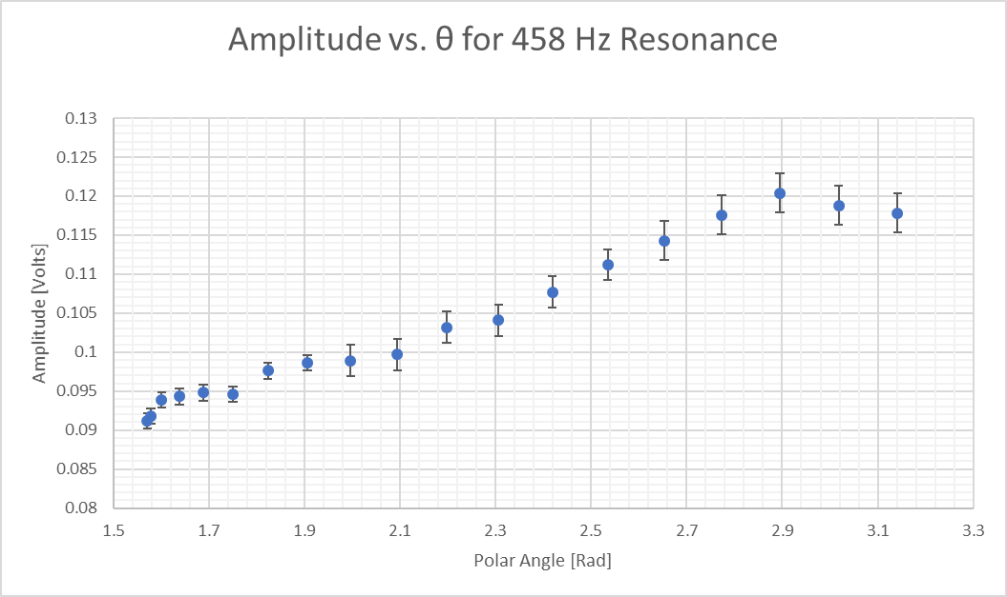

Amplitude vs. θ for 1146 Hz Resonance
0 | 0.0849
0.0075956765802 | 0.0834
0.03015192911 | 0.0826
0.066983437593 | 0.0803
0.11697116112 | 0.0815
0.17859633738 | 0.0801
0.24998662673 | 0.0822
0.32897299897 | 0.0833
0.41315563436 | 0.0778
0.4999768366 | 0.0767
0.58679874261 | 0.0827
0.67098346792 | 0.0943
0.74997325274 | 0.0938
0.82136817362 | 0.1069
0.88299905967 | 0.1166
0.93299339777 | 0.1251
0.96983222462 | 0.1328
0.99239627698 | 0.1357
0.99999999785 | 0.1379
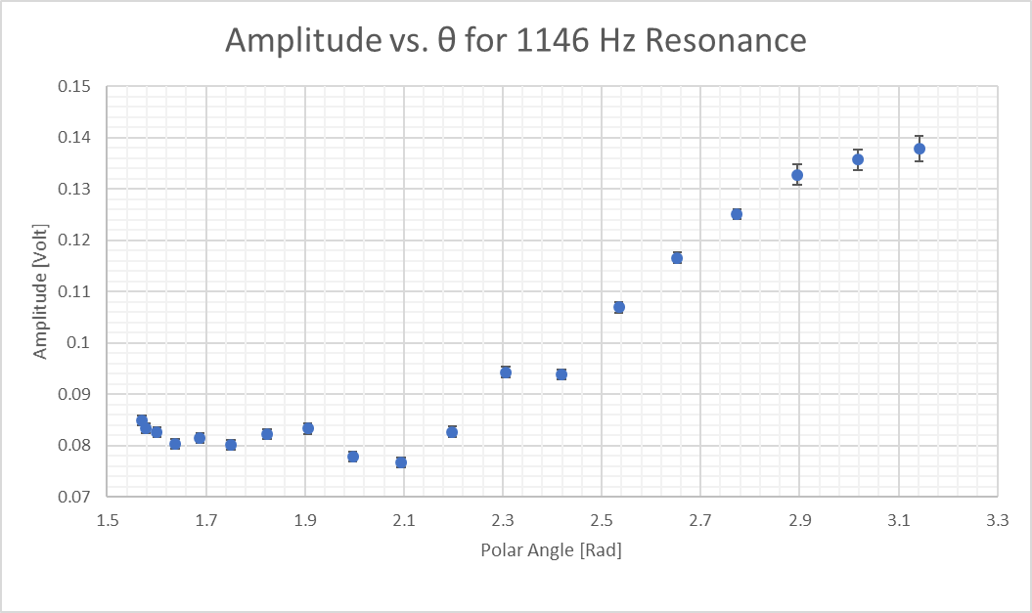

Amplitude vs. θ for 2291 Hz Resonance
0 | 0.0569
0.0075956765802 | 0.0601
0.03015192911 | 0.0587
0.066983437593 | 0.0591
0.11697116112 | 0.0426
0.17859633738 | 0.0416
0.24998662673 | 0.034
0.32897299897 | 0.0329
0.41315563436 | 0.0476
0.4999768366 | 0.0501
0.58679874261 | 0.0619
0.67098346792 | 0.0654
0.74997325274 | 0.0786
0.82136817362 | 0.0859
0.88299905967 | 0.0875
0.93299339777 | 0.0991
0.96983222462 | 0.0991
0.99239627698 | 0.1034
0.99999999785 | 0.1025
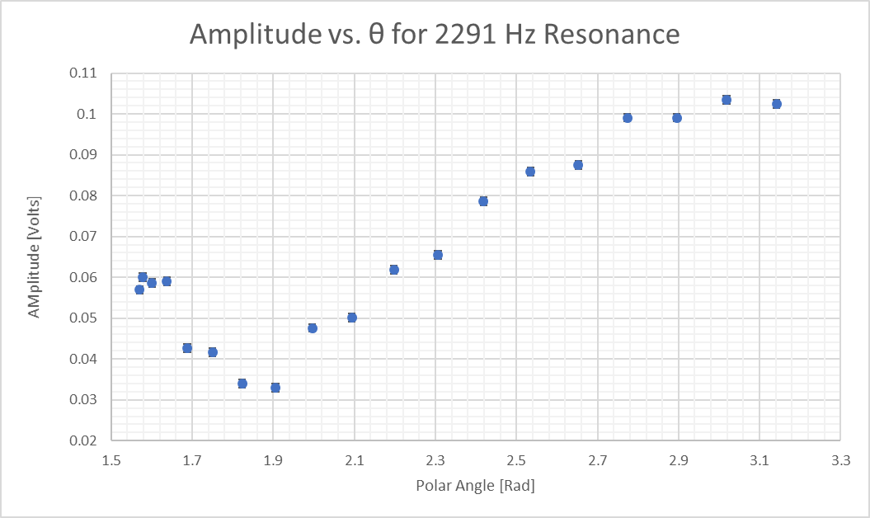
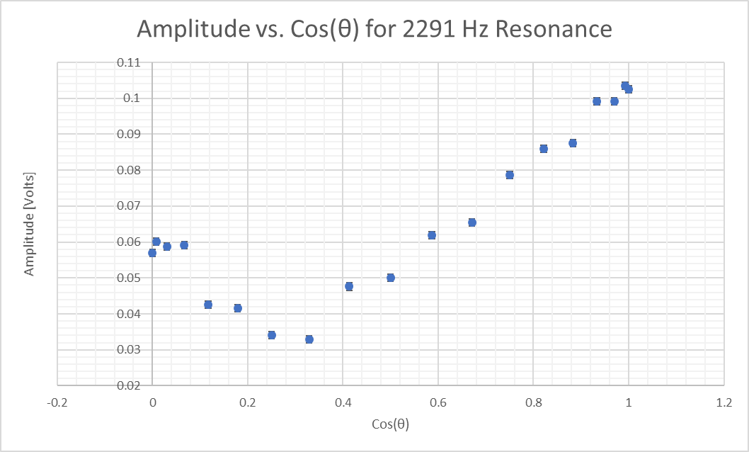

Amplitude vs. θ for 3679 Hz Resonance
1.00 | 19.1
0.99 | 19.0
0.97 | 19.1
0.93 | 19.0
0.88 | 18.9
0.82 | 17.7
0.75 | 10.8
0.67 | 9.8
0.59 | 4.6
0.50 | 1.3
0.41 | 4.2
0.33 | 6.2
0.25 | 9.6
0.18 | 15.3
0.12 | 14.8
0.07 | 15.8
0.03 | 15.6
0.01 | 15.7
0.00 | 15.9
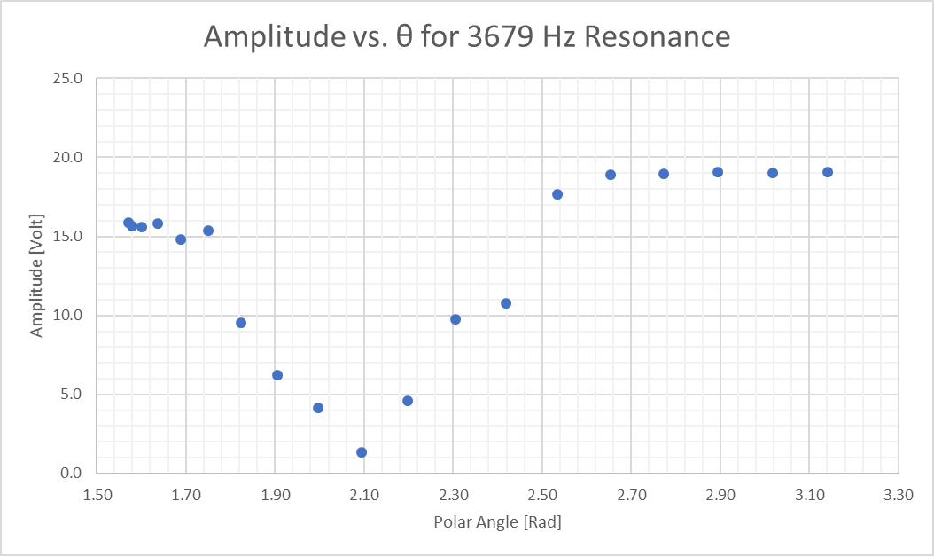
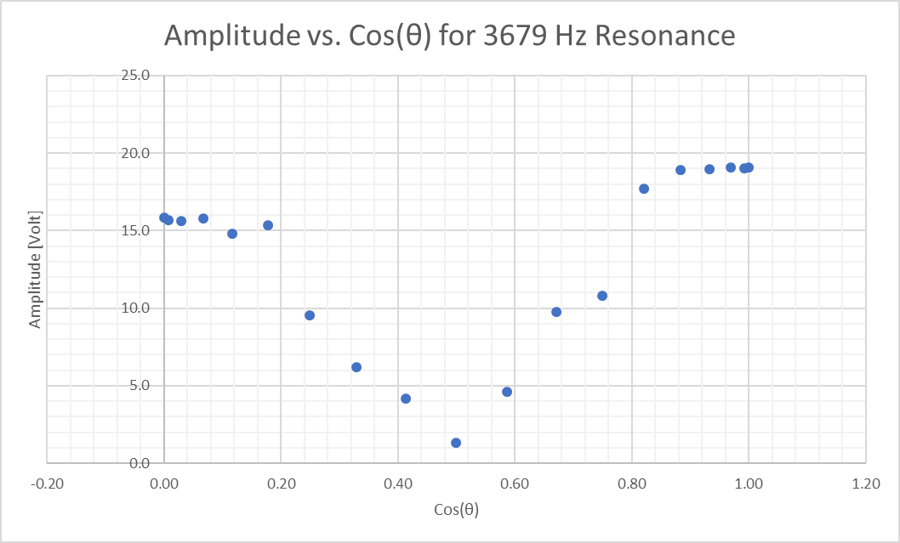

Amplitude vs. θ for 4962 Hz Resonance
1.00 | 23.3
0.99 | 23.3
0.97 | 23.1
0.93 | 22.1
0.88 | 15.9
0.82 | 5.4
0.75 | 7.5
0.67 | 16.6
0.59 | 21.3
0.50 | 23.0
0.41 | 23.2
0.33 | 22.0
0.25 | 16.7
0.18 | 12.5
0.12 | 6.6
0.07 | 2.2
0.03 | 2.1
0.01 | 7.4
0.00 | 6.3
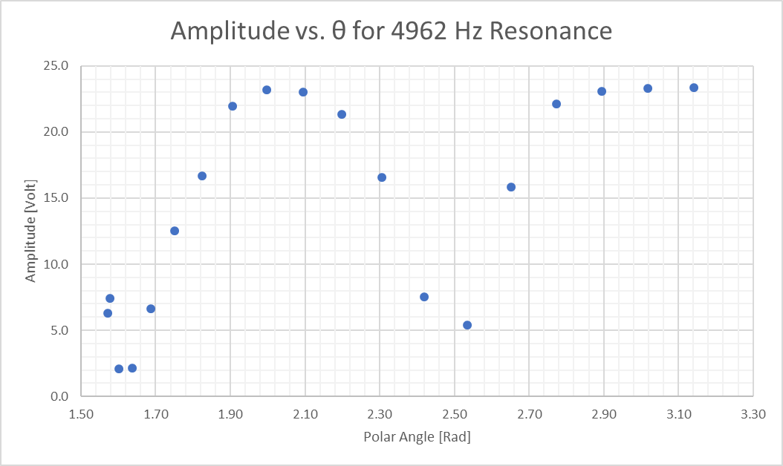
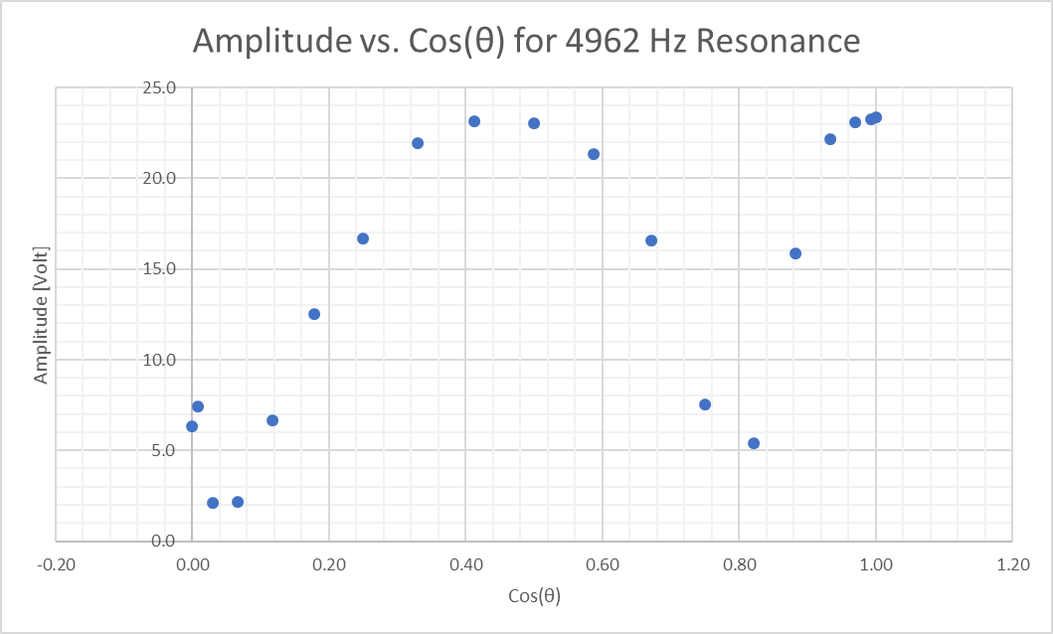

Amplitude vs. θ for 6202 Hz Resonance
0.99999999785 | 25.75862069
0.99239627698 | 25
0.96983222462 | 17.344827586
0.93299339777 | 7.4482758621
0.88299905967 | 3.0034482759
0.82136817362 | 10.379310345
0.74997325274 | 14.344827586
0.67098346792 | 15.620689655
0.58679874261 | 13.965517241
0.4999768366 | 8.8275862069
0.41315563436 | 3.2344827586
0.32897299897 | 6.9310344828
0.24998662673 | 8.6206896552
0.17859633738 | 9.3448275862
0.11697116112 | 8.6551724138
0.066983437593 | 7.5862068966
0.03015192911 | 6.4827586207
0.0075956765802 | 4.8620689655
0 | 4.4137931034
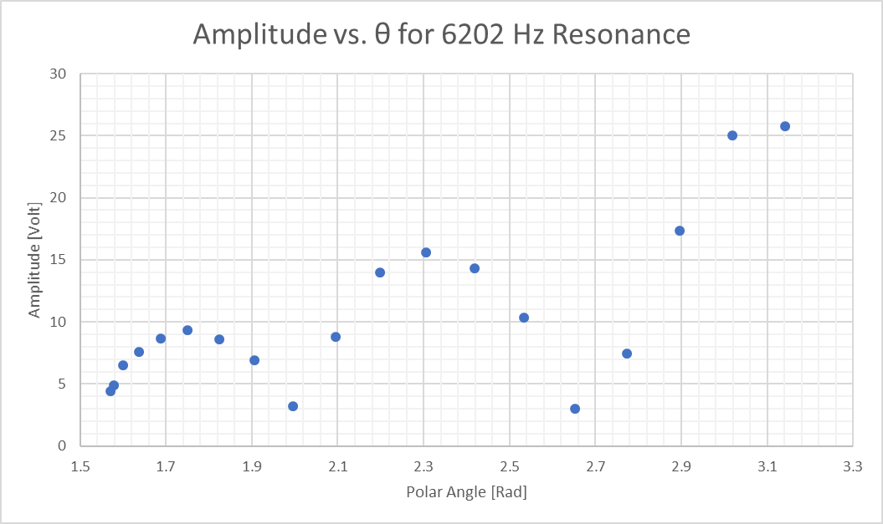
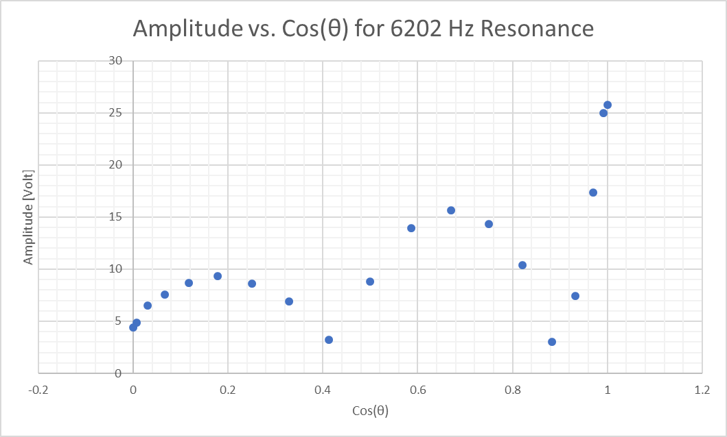

Amplitude vs. θ for 7409 Hz Resonance
1.00 | 27.8
0.99 | 24.3
0.97 | 16.4
0.93 | 3.9
0.88 | 7.3
0.82 | 13.8
0.75 | 14.7
0.67 | 10.8
0.59 | 4.0
0.50 | 3.3
0.41 | 8.4
0.33 | 10.4
0.25 | 9.8
0.18 | 7.2
0.12 | 4.6
0.07 | 0.4
0.03 | 1.8
0.01 | 3.5
0.00 | 3.7
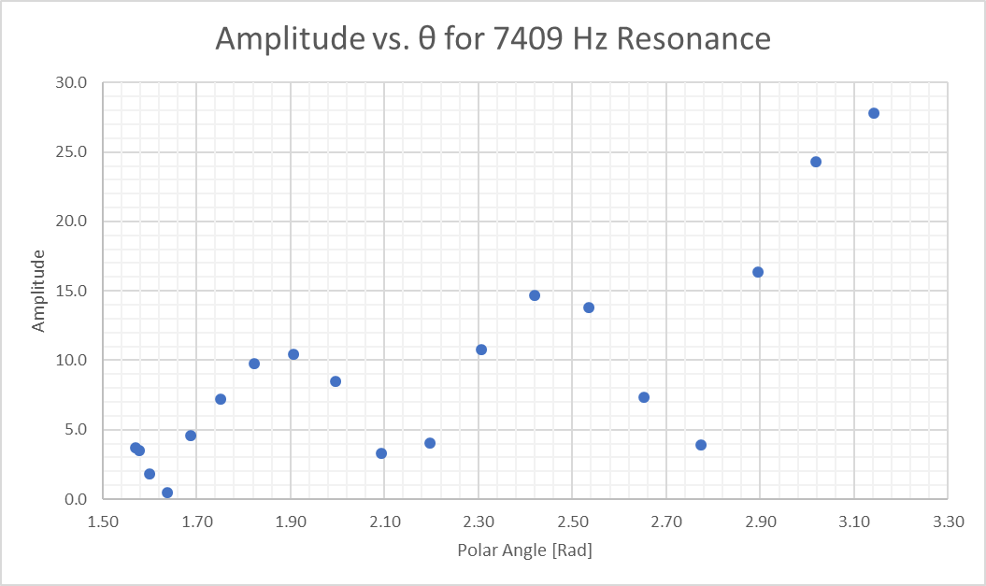
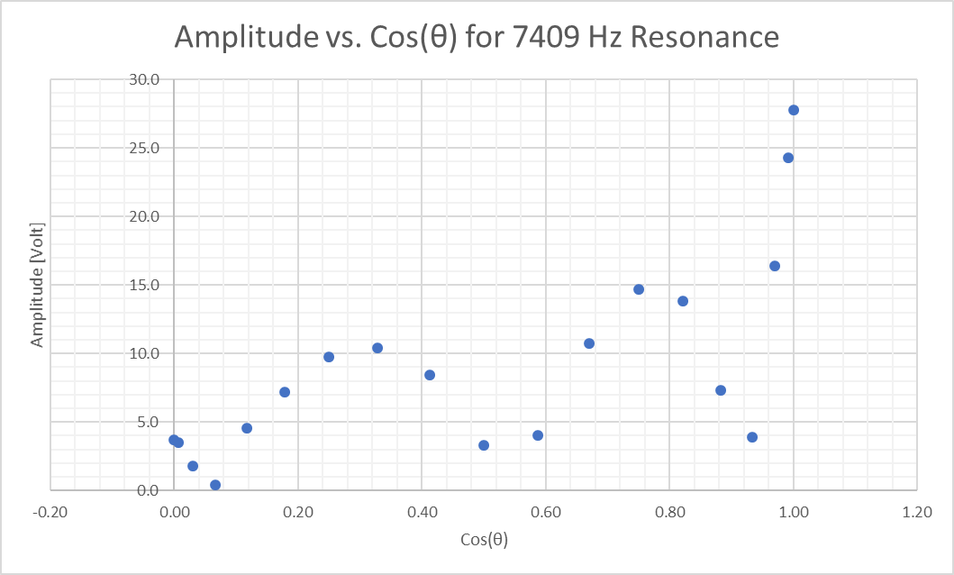

Amplitude vs. θ for 8017 Hz Resonance
3.1415271376 | 13.862068966
3.0181959056 | 13.310344828
2.8953379479 | 12.137931034
2.7734389287 | 10.379310345
2.6530101015 | 8.275862069
2.5346018478 | 5.7931034483
2.4188179686 | 3.9310344828
2.3063306913 | 2.9413793103
2.1978960039 | 3.6206896552
2.0943683558 | 2.2517241379
1.9967128915 | 5.0344827586
1.9060121617 | 2.7
1.8234627701 | 2.9620689655
1.7503559939 | 3.2793103448
1.6880358819 | 5.6896551724
1.6378299558 | 3.8620689655
1.6009528265 | 3.9655172414
1.5783920764 | 4.0344827586
1.5707963268 | 4.1724137931

